ART
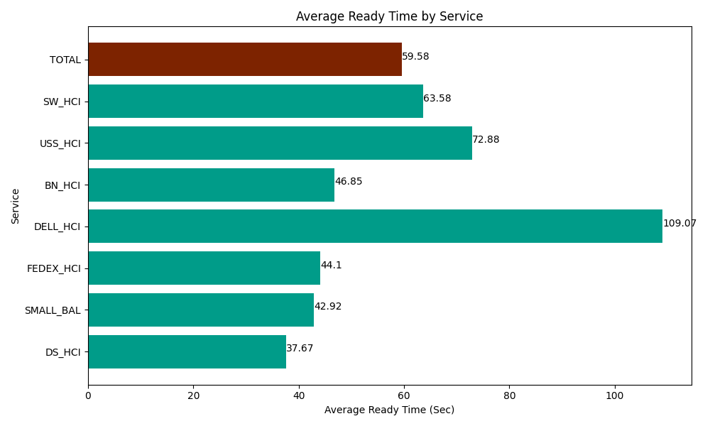
Date | Service | Successful Op Transfer | In Call (Sec) | Ready (Sec) | Wrapup (Sec) | Not Ready (Sec) | Average Ready Time (Sec)
03-22-2024 | DS_HCI | 789 | 47510.998535 | 29719.799194 | 106623.00293 | 116178.00293 | 37.67
03-22-2024 | SMALL_BAL | 457 | 27897.000732 | 19613.999634 | 65493.00293 | 47836.201172 | 42.92
03-22-2024 | FEDEX_HCI | 62 | 5265 | 2734.1999817 | 5500.8000183 | 4090.8000183 | 44.1
03-22-2024 | DELL_HCI | 70 | 6892.7998352 | 7635 | 13102.800293 | 4519.1999817 | 109.07
03-22-2024 | BN_HCI | 616 | 53287.800293 | 28861.199341 | 82050 | 83716.201172 | 46.85
03-22-2024 | USS_HCI | 176 | 24130.799561 | 12826.799927 | 19748.999634 | 4936.1997986 | 72.88
03-22-2024 | SW_HCI | 120 | 4594.1999817 | 7629.0000916 | 5779.1999817 | 6952.7998352 | 63.58
 | TOTAL | 2290 | 169578.59894 | 109019.99817 | 298297.80579 | 268229.40491 | 59.58

